ER Glassware (2)
MFG | Picture | Item Name | Capacity | Item# | Hilton Price Per Case | Hilton Price Per Each
ARC CARDINAL |  | Cabernet Tall Wine | Capacity: 8.5 Oz. | 46978 | 61.80 | 2.575
ARC CARDINAL |  | Cabernet Tall Wine | Capacity: 10.5 Oz. | 50816 | 61.80 | 2.575
ARC CARDINAL |  | Cabernet Tall Wine | Capacity: 16 Oz. | 46961 | 61.80 | 2.575
ARC CARDINAL |  | Sequence Universal | Capacity: 13 Oz. | L5635 | 30.90 | 2.575
ARC CARDINAL |  | Sequence Universal | Capacity: 16 Oz. | L5633 | 30.90 | 2.575
ARC CARDINAL |  | Sequence Universal | Capacity: 19.5 Oz. | L5638 | 30.90 | 2.575
ARC CARDINAL |  | Prysm Double Old Fashioned | Capacity: 12.5 Oz. | E1514 | 74.16 | 1.545
ARC CARDINAL |  | Prysm Rocks | Capacity: 9 Oz. | E1515 | 74.16 | 1.545
ARC CARDINAL | 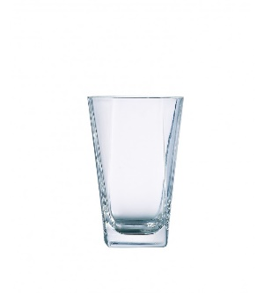 | Prysm Beverage | 12 oz | E1513 | 74.16 | 1.545
ARC CARDINAL | 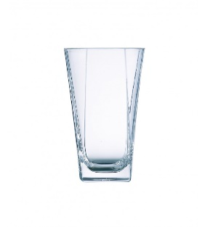 | Prysm Cooler | 16 oz | H0736 | 74.16 | 1.545

